Step 1.2
Simulated Vo vs. Vsig of a Emitter Follower
Vsig | Vo | IE2
Volts | Volts | Amps
-5 | -4.683471944 | 2.2226669394E-09
-4.5 | -4.6832228905 | -3.1488868624E-08
-4 | -4.478348458 | -2.815557819E-05
-3.5 | -4.0246622021 | -9.1172474772E-05
-3 | -3.5454083954 | -0.00015439382665
-2.5 | -3.0524971236 | -0.00018473940211
-2 | -2.5525434333 | -0.00018484938896
-1.5 | -2.0525611881 | -0.00018485622492
-1 | -1.5525831073 | -0.00018486278141
-0.5 | -1.0526050486 | -0.00018486934254
0 | -0.55262699695 | -0.00018487588465
0.5 | -0.052648956952 | -0.00018488243089
1 | 0.44732907269 | -0.00018488897263
1.5 | 0.94730709454 | -0.00018489550442
2 | 1.447285104 | -0.00018490203707
2.5 | 1.9472631047 | -0.00018490855633
3 | 2.4472410978 | -0.00018491506982
3.5 | 2.9472190772 | -0.00018492159189
4 | 3.4471970483 | -0.00018492810182
4.5 | 3.9471750073 | -0.00018493460649
5 | 4.4471529224 | -0.0001849411053

Step 1.3
Voltage Gain of a CC Amplifier
Frequency | vm(vo) | ph(v(vo)) | Av = 20*log(|Vo|/1mV)
Hz | Volts | deg | dB
100 | 0.0009999560714 | -8.4673248006E-05 | 0.00
102.30597298 | 0.00099995607139 | -8.6625790219E-05 | 0.00
104.66512108 | 0.00099995607139 | -8.8623357527E-05 | 0.00
107.0786705 | 0.00099995607138 | -9.0666988197E-05 | 0.00
109.54787571 | 0.00099995607138 | -9.2757744436E-05 | 0.00
112.07402013 | 0.00099995607138 | -9.489671295E-05 | 0.00
114.65841676 | 0.00099995607137 | -9.7085005498E-05 | 0.00
117.30240887 | 0.00099995607137 | -9.932375948E-05 | 0.00
120.00737073 | 0.00099995607136 | -0.00010161413852 | 0.00
122.77470828 | 0.00099995607136 | -0.00010395733309 | 0.00
125.60585988 | 0.00099995607135 | -0.00010635456108 | 0.00
128.50229708 | 0.00099995607135 | -0.00010880706851 | 0.00
131.46552533 | 0.00099995607134 | -0.00011131613009 | 0.00
134.49708483 | 0.00099995607133 | -0.00011388304995 | 0.00
137.59855127 | 0.00099995607133 | -0.00011650916229 | 0.00
140.77153669 | 0.00099995607132 | -0.00011919583207 | 0.00
144.0176903 | 0.00099995607131 | -0.00012194445572 | 0.00
147.33869933 | 0.00099995607131 | -0.00012475646189 | 0.00
150.73628993 | 0.0009999560713 | -0.00012763331217 | 0.00
154.21222805 | 0.00099995607129 | -0.00013057650183 | 0.00
157.76832037 | 0.00099995607128 | -0.00013358756064 | 0.00
161.40641522 | 0.00099995607127 | -0.00013666805366 | 0.00
165.12840355 | 0.00099995607126 | -0.00013981958201 | 0.00
168.93621992 | 0.00099995607125 | -0.00014304378374 | 0.00
172.83184351 | 0.00099995607124 | -0.0001463423347 | 0.00
176.81729913 | 0.00099995607123 | -0.00014971694935 | 0.00
180.89465828 | 0.00099995607122 | -0.00015316938169 | 0.00
185.06604023 | 0.00099995607121 | -0.00015670142619 | 0.00
189.33361312 | 0.0009999560712 | -0.00016031491867 | 0.00
193.69959509 | 0.00099995607118 | -0.00016401173731 | 0.00
198.16625542 | 0.00099995607117 | -0.00016779380359 | 0.00
202.73591574 | 0.00099995607115 | -0.00017166308328 | 0.00
207.41095118 | 0.00099995607114 | -0.00017562158751 | 0.00
212.19379168 | 0.00099995607112 | -0.00017967137378 | 0.00
217.0869232 | 0.00099995607111 | -0.00018381454701 | 0.00
222.092889 | 0.00099995607109 | -0.0001880532607 | 0.00
227.21429102 | 0.00099995607107 | -0.00019238971796 | 0.00
232.45379118 | 0.00099995607105 | -0.00019682617276 | 0.00
237.81411281 | 0.00099995607103 | -0.00020136493099 | 0.00
243.298042 | 0.00099995607101 | -0.00020600835175 | 0.00
248.90842912 | 0.00099995607099 | -0.00021075884853 | 0.00
254.64819025 | 0.00099995607097 | -0.00021561889047 | 0.00
260.52030873 | 0.00099995607095 | -0.00022059100365 | 0.00
266.52783666 | 0.00099995607092 | -0.0002256777724 | 0.00
272.67389657 | 0.0009999560709 | -0.00023088184066 | 0.00
278.96168296 | 0.00099995607087 | -0.00023620591331 | 0.00
285.39446401 | 0.00099995607084 | -0.00024165275762 | 0.00
291.97558325 | 0.00099995607081 | -0.00024722520467 | 0.00
298.70846132 | 0.00099995607078 | -0.00025292615083 | 0.00
305.59659774 | 0.00099995607075 | -0.00025875855924 | 0.00
312.64357272 | 0.00099995607071 | -0.0002647254614 | 0.00
319.85304905 | 0.00099995607068 | -0.00027082995869 | 0.00
327.22877395 | 0.00099995607064 | -0.00027707522401 | 0.00
334.77458107 | 0.0009999560706 | -0.00028346450344 | 0.00
342.49439247 | 0.00099995607056 | -0.00029000111789 | 0.00
350.39222063 | 0.00099995607052 | -0.00029668846488 | 0.00
358.47217058 | 0.00099995607048 | -0.00030353002026 | 0.00
366.73844199 | 0.00099995607043 | -0.00031052934002 | 0.00
375.19533138 | 0.00099995607038 | -0.00031769006217 | 0.00
383.84723436 | 0.00099995607033 | -0.0003250159086 | 0.00
392.69864789 | 0.00099995607028 | -0.00033251068702 | 0.00
401.75417262 | 0.00099995607022 | -0.00034017829297 | 0.00
411.0185153 | 0.00099995607016 | -0.00034802271179 | 0.00
420.49649122 | 0.0009999560701 | -0.00035604802075 | 0.00
430.19302671 | 0.00099995607004 | -0.0003642583911 | 0.00
440.11316169 | 0.00099995606997 | -0.00037265809032 | 0.00
450.2620523 | 0.0009999560699 | -0.00038125148427 | 0.00
460.64497358 | 0.00099995606983 | -0.0003900430395 | 0.00
471.26732222 | 0.00099995606975 | -0.00039903732554 | 0.00
482.13461936 | 0.00099995606967 | -0.00040823901732 | 0.00
493.25251343 | 0.00099995606959 | -0.00041765289754 | 0.00
504.62678313 | 0.0009999560695 | -0.00042728385921 | 0.00
516.26334042 | 0.00099995606941 | -0.00043713690816 | 0.00
528.16823358 | 0.00099995606931 | -0.00044721716565 | 0.00
540.34765036 | 0.00099995606921 | -0.00045752987106 | 0.00
552.8079212 | 0.0009999560691 | -0.00046808038455 | 0.00
565.55552251 | 0.00099995606899 | -0.00047887418991 | 0.00
578.59708007 | 0.00099995606888 | -0.00048991689737 | 0.00
591.93937243 | 0.00099995606875 | -0.00050121424654 | 0.00
605.58933444 | 0.00099995606863 | -0.00051277210939 | 0.00
619.55406089 | 0.00099995606849 | -0.00052459649326 | 0.00
633.84081015 | 0.00099995606836 | -0.00053669354407 | 0.00
648.457008 | 0.00099995606821 | -0.00054906954941 | 0.00
663.41025142 | 0.00099995606806 | -0.00056173094189 | 0.00
678.70831259 | 0.0009999560679 | -0.00057468430245 | 0.00
694.35914292 | 0.00099995606773 | -0.00058793636378 | 0.00
710.37087717 | 0.00099995606756 | -0.00060149401382 | 0.00
726.75183769 | 0.00099995606737 | -0.00061536429935 | 0.00
743.51053873 | 0.00099995606718 | -0.00062955442964 | 0.00
760.65569088 | 0.00099995606698 | -0.0006440717802 | 0.00
778.19620562 | 0.00099995606677 | -0.00065892389662 | 0.00
796.14119989 | 0.00099995606655 | -0.00067411849849 | 0.00
814.50000087 | 0.00099995606632 | -0.00068966348341 | 0.00
833.28215085 | 0.00099995606608 | -0.00070556693109 | 0.00
852.49741213 | 0.00099995606583 | -0.00072183710756 | 0.00
872.15577214 | 0.00099995606557 | -0.00073848246946 | 0.00
892.26744863 | 0.00099995606529 | -0.00075551166842 | 0.00
912.84289494 | 0.00099995606501 | -0.00077293355559 | 0.00
933.89280549 | 0.0009999560647 | -0.00079075718622 | 0.00
955.42812129 | 0.00099995606439 | -0.00080899182437 | 0.00
977.46003565 | 0.00099995606406 | -0.00082764694772 | 0.00
1000 | 0.00099995606371 | -0.00084673225249 | 0.00
1023.0597298 | 0.00099995606335 | -0.00086625765852 | 0.00
1046.6512108 | 0.00099995606297 | -0.00088623331435 | 0.00
1070.786705 | 0.00099995606257 | -0.00090666960258 | 0.00
1095.4787571 | 0.00099995606216 | -0.0009275771452 | 0.00
1120.7402013 | 0.00099995606173 | -0.00094896680915 | 0.00
1146.5841676 | 0.00099995606127 | -0.00097084971196 | 0.00
1173.0240887 | 0.00099995606079 | -0.0009932372275 | 0.00
1200.0737073 | 0.0009999560603 | -0.0010161409919 | 0.00
1227.7470828 | 0.00099995605978 | -0.0010395729097 | 0.00
1256.0585988 | 0.00099995605923 | -0.0010635451599 | 0.00
1285.0229708 | 0.00099995605866 | -0.0010880702022 | 0.00
1314.6552533 | 0.00099995605806 | -0.0011131607838 | 0.00
1344.9708483 | 0.00099995605743 | -0.0011388299458 | 0.00
1375.9855127 | 0.00099995605678 | -0.00116509103 | 0.00
1407.7153669 | 0.00099995605609 | -0.0011919576859 | 0.00
1440.176903 | 0.00099995605538 | -0.0012194438775 | 0.00
1473.3869933 | 0.00099995605463 | -0.0012475638911 | 0.00
1507.3628993 | 0.00099995605384 | -0.0012763323423 | 0.00
1542.1222805 | 0.00099995605302 | -0.0013057641837 | 0.00
1577.6832037 | 0.00099995605216 | -0.0013358747128 | 0.00
1614.0641522 | 0.00099995605125 | -0.0013666795797 | 0.00
1651.2840355 | 0.00099995605031 | -0.0013981947954 | 0.00
1689.3621992 | 0.00099995604932 | -0.0014304367403 | 0.00
1728.3184351 | 0.00099995604829 | -0.0014634221722 | 0.00
1768.1729913 | 0.00099995604721 | -0.0014971682355 | 0.00
1808.9465828 | 0.00099995604608 | -0.0015316924699 | 0.00
1850.6604023 | 0.00099995604489 | -0.0015670128195 | 0.00
1893.3361312 | 0.00099995604365 | -0.0016031476422 | 0.00
1936.9959509 | 0.00099995604235 | -0.0016401157193 | 0.00
1981.6625542 | 0.000999956041 | -0.001677936265 | 0.00
2027.3591574 | 0.00099995603957 | -0.0017166289366 | 0.00
2074.1095118 | 0.00099995603809 | -0.0017562138447 | 0.00
2121.9379168 | 0.00099995603653 | -0.0017967115636 | 0.00
2170.869232 | 0.0009999560349 | -0.001838143142 | 0.00
2220.92889 | 0.00099995603319 | -0.0018805301141 | 0.00
2272.1429102 | 0.00099995603141 | -0.0019238945103 | 0.00
2324.5379118 | 0.00099995602954 | -0.0019682588692 | 0.00
2378.1411281 | 0.00099995602758 | -0.0020136462492 | 0.00
2432.98042 | 0.00099995602553 | -0.0020600802402 | 0.00
2489.0842912 | 0.00099995602339 | -0.002107584976 | 0.00
2546.4819025 | 0.00099995602115 | -0.002156185147 | 0.00
2605.2030873 | 0.0009999560188 | -0.0022059060128 | 0.00
2665.2783666 | 0.00099995601634 | -0.0022567734155 | 0.00
2726.7389657 | 0.00099995601377 | -0.0023088137931 | 0.00
2789.6168296 | 0.00099995601108 | -0.002362054193 | 0.00
2853.9446401 | 0.00099995600826 | -0.0024165222864 | 0.00
2919.7558325 | 0.00099995600531 | -0.0024722463825 | 0.00
2987.0846132 | 0.00099995600223 | -0.0025292554431 | 0.00
3055.9659774 | 0.000999955999 | -0.0025875790979 | 0.00
3126.4357272 | 0.00099995599561 | -0.0026472476598 | 0.00
3198.5304905 | 0.00099995599208 | -0.0027082921404 | 0.00
3272.2877395 | 0.00099995598837 | -0.0027707442665 | 0.00
3347.7458107 | 0.00099995598449 | -0.0028346364963 | 0.00
3424.9439247 | 0.00099995598044 | -0.0029000020365 | 0.00
3503.9222063 | 0.00099995597619 | -0.0029668748593 | 0.00
3584.7217058 | 0.00099995597174 | -0.0030352897201 | 0.00
3667.3844199 | 0.00099995596709 | -0.0031052821757 | 0.00
3751.9533138 | 0.00099995596222 | -0.0031768886026 | 0.00
3838.4723436 | 0.00099995595713 | -0.0032501462161 | 0.00
3926.9864789 | 0.00099995595179 | -0.0033250930893 | 0.00
4017.5417262 | 0.00099995594621 | -0.0034017681733 | 0.00
4110.185153 | 0.00099995594036 | -0.003480211317 | 0.00
4204.9649122 | 0.00099995593425 | -0.003560463288 | 0.00
4301.9302671 | 0.00099995592785 | -0.0036425657939 | 0.00
4401.1316169 | 0.00099995592115 | -0.0037265615036 | 0.00
4502.620523 | 0.00099995591336 | -0.0038124940643 | 0.00
4606.4497358 | 0.00099995590602 | -0.003900408146 | 0.00
4712.6732222 | 0.00099995589833 | -0.0039903494318 | 0.00
4821.3461936 | 0.00099995589029 | -0.0040823646635 | 0.00
4932.5251343 | 0.00099995588188 | -0.0041765016602 | 0.00
5046.2678313 | 0.00099995587307 | -0.0042728093437 | 0.00
5162.6334042 | 0.00099995586385 | -0.0043713377631 | 0.00
5281.6823358 | 0.0009999558542 | -0.0044721381214 | 0.00
5403.4765036 | 0.0009999558441 | -0.0045752628019 | 0.00
5528.079212 | 0.00099995583353 | -0.0046807653953 | 0.00
5655.5552251 | 0.00099995582247 | -0.0047887007275 | 0.00
5785.9708007 | 0.00099995581088 | -0.0048991248881 | 0.00
5919.3937243 | 0.00099995579876 | -0.0050120952595 | 0.00
6055.8933444 | 0.00099995578608 | -0.0051276705468 | 0.00
6195.5406089 | 0.0009999557728 | -0.0052459108079 | 0.00
6338.4081015 | 0.0009999557589 | -0.005366877485 | 0.00
6484.57008 | 0.00099995574436 | -0.0054906334363 | 0.00
6634.1025142 | 0.00099995572913 | -0.0056172429686 | 0.00
6787.0831259 | 0.0009999557132 | -0.0057467718709 | 0.00
6943.5914292 | 0.00099995569652 | -0.0058792874479 | 0.00
7103.7087717 | 0.00099995567907 | -0.0060148585555 | 0.00
7267.5183769 | 0.0009999556608 | -0.0061535556363 | 0.00
7435.1053873 | 0.00099995564168 | -0.006295450756 | 0.00
7606.5569088 | 0.00099995562166 | -0.0064406176406 | 0.00
7781.9620562 | 0.00099995560071 | -0.0065891317153 | 0.00
7961.4119989 | 0.00099995557879 | -0.0067410701426 | 0.00
8145.0000087 | 0.00099995555584 | -0.0068965118631 | 0.00
8332.8215085 | 0.00099995553182 | -0.0070555376358 | 0.00
8524.9741213 | 0.00099995550668 | -0.0072182300803 | 0.00
8721.5577214 | 0.00099995548037 | -0.0073846737193 | 0.00
8922.6744863 | 0.00099995545283 | -0.0075549550225 | 0.00
9128.4289494 | 0.00099995542401 | -0.0077291624514 | 0.00
9338.9280549 | 0.00099995539384 | -0.007907386505 | 0.00
9554.2812129 | 0.00099995536227 | -0.0080897197664 | 0.00
9774.6003565 | 0.00099995532922 | -0.0082762569512 | 0.00
10000 | 0.00099995529463 | -0.0084670949557 | 0.00
10230.597298 | 0.00099995525804 | -0.0086623329016 | 0.00
10466.512108 | 0.00099995522014 | -0.0088620722116 | 0.00
10707.86705 | 0.00099995518048 | -0.0090664166247 | 0.00
10954.787571 | 0.00099995513897 | -0.0092754722745 | 0.00
11207.402013 | 0.00099995509553 | -0.0094893477377 | 0.00
11465.841676 | 0.00099995505005 | -0.0097081540904 | 0.00
11730.240887 | 0.00099995500246 | -0.0099320049656 | 0.00
12000.737073 | 0.00099995495265 | -0.010161016611 | 0.00
12277.470828 | 0.00099995490051 | -0.01039530795 | 0.00
12560.585988 | 0.00099995484594 | -0.010635000641 | 0.00
12850.229708 | 0.00099995478882 | -0.010880219145 | 0.00
13146.552533 | 0.00099995472904 | -0.011131090782 | 0.00
13449.708483 | 0.00099995466647 | -0.011387745804 | 0.00
13759.855127 | 0.00099995460098 | -0.011650317457 | 0.00
14077.153669 | 0.00099995453244 | -0.011918942053 | 0.00
14401.76903 | 0.0009999544607 | -0.012193759036 | 0.00
14733.869933 | 0.00099995438562 | -0.012474911059 | 0.00
15073.628993 | 0.00099995430703 | -0.012762544052 | 0.00
15421.222805 | 0.00099995422478 | -0.013056807301 | 0.00
15776.832037 | 0.00099995413869 | -0.013357853522 | 0.00
16140.641522 | 0.00099995404858 | -0.01366583894 | 0.00
16512.840355 | 0.00099995395349 | -0.013980923349 | 0.00
16893.621992 | 0.00099995385479 | -0.014303270275 | 0.00
17283.184351 | 0.00099995375147 | -0.014633046939 | 0.00
17681.729913 | 0.00099995364334 | -0.01497042442 | 0.00
18089.465828 | 0.00099995353017 | -0.015315577727 | 0.00
18506.604023 | 0.00099995341133 | -0.015668685872 | 0.00
18933.361312 | 0.00099995328735 | -0.016029932012 | 0.00
19369.959509 | 0.00099995315759 | -0.01639950347 | 0.00
19816.625542 | 0.00099995302177 | -0.016777591877 | 0.00
20273.591574 | 0.00099995287963 | -0.017164393259 | 0.00
20741.095118 | 0.00099995273085 | -0.017560108134 | 0.00
21219.379168 | 0.00099995257513 | -0.01796494162 | 0.00
21708.69232 | 0.00099995241215 | -0.01837910353 | 0.00
22209.2889 | 0.00099995224157 | -0.018802808485 | 0.00
22721.429102 | 0.00099995206265 | -0.019236276007 | 0.00
23245.379118 | 0.00099995187578 | -0.019679730683 | 0.00
23781.411281 | 0.00099995168021 | -0.0201334022 | 0.00
24329.8042 | 0.00099995147473 | -0.020597525479 | 0.00
24890.842912 | 0.00099995126049 | -0.021072340907 | 0.00
25464.819025 | 0.00099995103625 | -0.021558094273 | 0.00
26052.030873 | 0.00099995080117 | -0.022055036995 | 0.00
26652.783666 | 0.00099995055553 | -0.022563426282 | 0.00
27267.389657 | 0.00099995029844 | -0.023083525167 | 0.00
27896.168296 | 0.00099995002936 | -0.023615602698 | 0.00
28539.446401 | 0.00099994974773 | -0.02415993406 | 0.00
29197.558325 | 0.00099994945219 | -0.024716800674 | 0.00
29870.846132 | 0.00099994914369 | -0.02528649048 | 0.00
30559.659774 | 0.00099994882041 | -0.025869297845 | 0.00
31264.357272 | 0.00099994848246 | -0.026465523929 | 0.00
31985.304905 | 0.00099994812876 | -0.027075476682 | 0.00
32722.877395 | 0.00099994775779 | -0.02769947103 | 0.00
33477.458107 | 0.00099994737034 | -0.028337829172 | 0.00
34249.439247 | 0.00099994696443 | -0.028990880476 | 0.00
35039.222063 | 0.00099994654 | -0.029658961882 | 0.00
35847.217058 | 0.00099994609579 | -0.030342417899 | 0.00
36673.844199 | 0.0009999456301 | -0.031041600812 | 0.00
37519.533138 | 0.00099994514312 | -0.031756870987 | 0.00
38384.723436 | 0.00099994463385 | -0.032488596865 | 0.00
39269.864789 | 0.00099994410083 | -0.033237155182 | 0.00
40175.417262 | 0.0009999435422 | -0.034002931143 | 0.00
41101.85153 | 0.00099994295795 | -0.034786318753 | 0.00
42049.649122 | 0.00099994234688 | -0.035587720814 | 0.00
43019.302671 | 0.00099994170656 | -0.0364075491 | 0.00
44011.316169 | 0.00099994103681 | -0.037246224786 | 0.00
45026.20523 | 0.00099994033549 | -0.038104178359 | 0.00
46064.497358 | 0.0009999396023 | -0.038981850082 | 0.00
47126.732222 | 0.00099993883455 | -0.039879689893 | 0.00
48213.461936 | 0.00099993803067 | -0.04079815786 | 0.00
49325.251343 | 0.00099993718936 | -0.041737724337 | 0.00
50462.678313 | 0.00099993630929 | -0.042698870147 | 0.00
51626.334042 | 0.00099993538862 | -0.043682086767 | 0.00
52816.823358 | 0.0009999344239 | -0.044687876444 | 0.00
54034.765036 | 0.00099993341469 | -0.0457167528 | 0.00
55280.79212 | 0.00099993235889 | -0.046769240677 | 0.00
56555.552251 | 0.00099993125356 | -0.047845876418 | 0.00
57859.708007 | 0.00099993009718 | -0.048947208303 | 0.00
59193.937243 | 0.00099992888658 | -0.050073796507 | 0.00
60558.933444 | 0.00099992761926 | -0.051226213537 | 0.00
61955.406089 | 0.00099992629338 | -0.052405044484 | 0.00
63384.081015 | 0.0009999249062 | -0.053610887107 | 0.00
64845.7008 | 0.0009999234537 | -0.054844352033 | 0.00
66341.025142 | 0.00099992193365 | -0.056106063309 | 0.00
67870.831259 | 0.00099992034291 | -0.057396658379 | 0.00
69435.914292 | 0.00099991867898 | -0.058716788492 | 0.00
71037.087717 | 0.00099991693688 | -0.060067118608 | 0.00
72675.183769 | 0.00099991511378 | -0.061448328156 | 0.00
74351.053873 | 0.00099991320555 | -0.062861110898 | 0.00
76065.569088 | 0.00099991120904 | -0.064306175447 | 0.00
77819.620562 | 0.00099990911934 | -0.065784245195 | 0.00
79614.119989 | 0.00099990693295 | -0.067296058931 | 0.00
81450.000087 | 0.00099990464497 | -0.068842370763 | 0.00
83328.215085 | 0.00099990224992 | -0.070423950446 | 0.00
85249.741213 | 0.00099989974444 | -0.072041583992 | 0.00
87215.577214 | 0.00099989712221 | -0.073696073242 | 0.00
89226.744863 | 0.00099989437785 | -0.075388236621 | 0.00
91284.289494 | 0.0009998915065 | -0.077118909325 | 0.00
93389.280549 | 0.00099988850112 | -0.07888894317 | 0.00
95542.812129 | 0.0009998853567 | -0.080699207423 | 0.00
97746.003565 | 0.00099988206642 | -0.082550588466 | 0.00
100000 | 0.00099987862315 | -0.084443990219 | 0.00
102305.97298 | 0.00099987502025 | -0.086380334476 | 0.00
104665.12108 | 0.00099987125036 | -0.088360560915 | 0.00
107078.6705 | 0.00099986730576 | -0.090385627342 | 0.00
109547.87571 | 0.00099986317803 | -0.092456509793 | 0.00
112074.02013 | 0.00099985885914 | -0.094574202898 | 0.00
114658.41676 | 0.00099985434029 | -0.096739719824 | 0.00
117302.40887 | 0.00099984961228 | -0.09895409247 | 0.00
120007.37073 | 0.00099984466474 | -0.10121837143 | 0.00
122774.70828 | 0.00099983948916 | -0.10353362668 | 0.00
125605.85988 | 0.0009998340731 | -0.10590094653 | 0.00
128502.29708 | 0.00099982840753 | -0.10832143909 | 0.00
131465.52533 | 0.00099982247943 | -0.11079623086 | 0.00
134497.08483 | 0.00099981627759 | -0.11332646791 | 0.00
137598.55127 | 0.00099980978911 | -0.11591331505 | 0.00
140771.53669 | 0.00099980300129 | -0.11855795626 | 0.00
144017.6903 | 0.00099979590007 | -0.12126159421 | 0.00
147338.69933 | 0.00099978847158 | -0.12402545047 | 0.00
150736.28993 | 0.0009997807009 | -0.12685076504 | 0.00
154212.22805 | 0.00099977257245 | -0.12973879626 | 0.00
157768.32037 | 0.00099976406921 | -0.13269082027 | 0.00
161406.41522 | 0.00099975517419 | -0.13570813113 | 0.00
165128.40355 | 0.00099974587122 | -0.13879204058 | 0.00
168936.21992 | 0.00099973613985 | -0.14194387636 | 0.00
172831.84351 | 0.00099972596231 | -0.14516498342 | 0.00
176817.29913 | 0.00099971531766 | -0.14845672192 | 0.00
180894.65828 | 0.00099970418449 | -0.15182046715 | 0.00
185066.04023 | 0.00099969254162 | -0.15525760912 | 0.00
189333.61312 | 0.00099968036575 | -0.15876955105 | 0.00
193699.59509 | 0.000999667633 | -0.16235770885 | 0.00
198166.25542 | 0.00099965431847 | -0.16602351002 | 0.00
202735.91574 | 0.00099964039655 | -0.16976839263 | 0.00
207410.95118 | 0.00099962583901 | -0.17359380345 | 0.00
212193.79168 | 0.00099961061879 | -0.17750119786 | 0.00
217086.9232 | 0.00099959470607 | -0.18149203706 | 0.00
222092.889 | 0.00099957806983 | -0.18556778697 | 0.00
227214.29102 | 0.00099956067929 | -0.18972991696 | 0.00
232453.79118 | 0.00099954249927 | -0.1939798963 | 0.00
237814.11281 | 0.00099952349669 | -0.19831919442 | 0.00
243298.042 | 0.00099950363513 | -0.20274927665 | 0.00
248908.42912 | 0.00099948287629 | -0.20727160229 | 0.00
254648.19025 | 0.00099946118155 | -0.21188762261 | 0.00
260520.30873 | 0.00099943851071 | -0.21659877747 | 0.00
266527.83666 | 0.00099941482155 | -0.22140649215 | -0.01
272673.89657 | 0.00099939006983 | -0.22631217396 | -0.01
278961.68296 | 0.00099936420995 | -0.23131720903 | -0.01
285394.46401 | 0.00099933719379 | -0.23642295794 | -0.01
291975.58325 | 0.00099930897372 | -0.24163075307 | -0.01
298708.46132 | 0.00099927949793 | -0.24694189214 | -0.01
305596.59774 | 0.00099924871307 | -0.25235763472 | -0.01
312643.57272 | 0.00099921656461 | -0.25787919743 | -0.01
319853.04905 | 0.00099918299521 | -0.26350774798 | -0.01
327228.77395 | 0.00099914794626 | -0.26924440021 | -0.01
334774.58107 | 0.00099911135628 | -0.27509020736 | -0.01
342494.39247 | 0.00099907316123 | -0.28104615588 | -0.01
350392.22063 | 0.00099903329759 | -0.28711316038 | -0.01
358472.17058 | 0.00099899169539 | -0.29329205275 | -0.01
366738.44199 | 0.00099894828701 | -0.29958357949 | -0.01
375195.33138 | 0.00099890299791 | -0.30598838864 | -0.01
383847.23436 | 0.00099885575472 | -0.31250702599 | -0.01
392698.64789 | 0.00099880648058 | -0.31913992367 | -0.01
401754.17262 | 0.0009987550951 | -0.32588739085 | -0.01
411018.5153 | 0.00099870151787 | -0.33274960626 | -0.01
420496.49122 | 0.00099864566457 | -0.33972660565 | -0.01
430193.02671 | 0.00099858744891 | -0.34681827246 | -0.01
440113.16169 | 0.00099852678149 | -0.35402432604 | -0.01
450262.0523 | 0.00099846357138 | -0.36134431118 | -0.01
460644.97358 | 0.00099839772614 | -0.36877758635 | -0.01
471267.32222 | 0.00099832915032 | -0.37632331025 | -0.01
482134.61936 | 0.00099825774514 | -0.3839804288 | -0.02
493252.51343 | 0.00099818341052 | -0.39174766336 | -0.02
504626.78313 | 0.00099810604626 | -0.39962349827 | -0.02
516263.34042 | 0.00099802554719 | -0.40760616316 | -0.02
528168.23358 | 0.00099794180866 | -0.41569362304 | -0.02
540347.65036 | 0.00099785472281 | -0.42388356087 | -0.02
552807.9212 | 0.00099776418184 | -0.43217336557 | -0.02
565555.52251 | 0.00099767007429 | -0.44056011403 | -0.02
578597.08007 | 0.00099757229032 | -0.44904056063 | -0.02
591939.37243 | 0.00099747071759 | -0.45761111882 | -0.02
605589.33444 | 0.00099736524275 | -0.4662678474 | -0.02
619554.06089 | 0.00099725575318 | -0.47500643735 | -0.02
633840.81015 | 0.00099714213463 | -0.48382219513 | -0.02
648457.008 | 0.00099702427575 | -0.49271003284 | -0.03
663410.25142 | 0.00099690206307 | -0.50166444967 | -0.03
678708.31259 | 0.0009967753844 | -0.51067952216 | -0.03
694359.14292 | 0.00099664413084 | -0.51974889384 | -0.03
710370.87717 | 0.00099650819214 | -0.52886575916 | -0.03
726751.83769 | 0.00099636746335 | -0.53802285997 | -0.03
743510.53873 | 0.00099622184068 | -0.5472124721 | -0.03
760655.69088 | 0.00099607122355 | -0.5564263998 | -0.03
778196.20562 | 0.00099591551435 | -0.56565596927 | -0.04
796141.19989 | 0.00099575462245 | -0.57489202899 | -0.04
814500.00087 | 0.00099558845792 | -0.58412494001 | -0.04
833282.15085 | 0.00099541694092 | -0.59334458682 | -0.04
852497.41213 | 0.00099523999467 | -0.60254037128 | -0.04
872155.77214 | 0.00099505754994 | -0.61170122265 | -0.04
892267.44863 | 0.00099486954532 | -0.62081560563 | -0.04
912842.89494 | 0.00099467592636 | -0.6298715297 | -0.05
933892.80549 | 0.00099447664893 | -0.63885656711 | -0.05
955428.12129 | 0.00099427167721 | -0.64775786727 | -0.05
977460.03565 | 0.00099406098593 | -0.65656218005 | -0.05
1000000 | 0.00099384456097 | -0.66525588072 | -0.05

Step 1.6
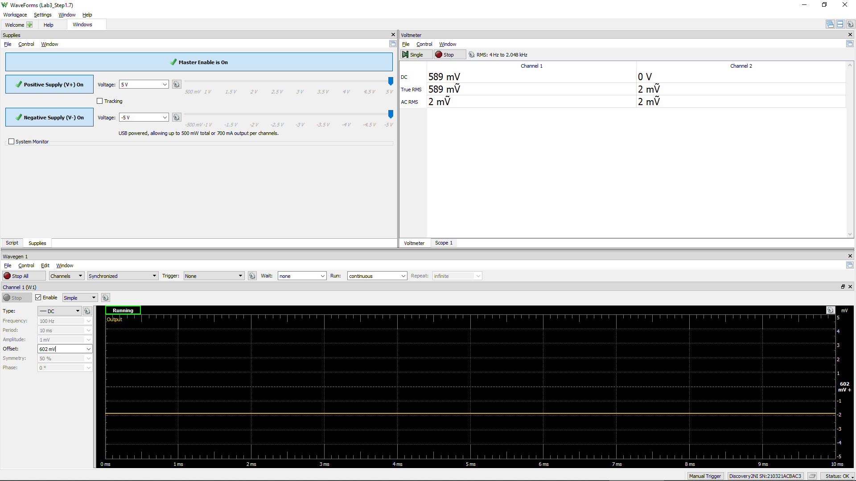
Measured Vo vs. Vsig of a Emitter Follower
Vsig (W1) | Vsig (CH1) | Vo (CH2)
Volts | Volts | Volts
-5 | -5.001 | -4.65
-4.5 | -4.502 | -4.652
-4 | -4.0022 | -4.5378
-3.5 | -3.504 | -4.0812
-3 | -3.002 | -3.5958
-2.5 | -2.502 | -3.0998
-2 | -2.001 | -2.6
-1.5 | -1.4994 | -2.1
-1 | -1.0004 | -1.6
-0.5 | -0.5 | -1.1
0 | -0.0006 | -0.6016
0.5 | 0.501 | -0.1012
1 | 1.0014 | 0.3982
1.5 | 1.502 | 0.897
2 | 2.002 | 1.3974
2.5 | 2.5032 | 1.8978
3 | 3.0004 | 2.3958
3.5 | 3.501 | 2.896
4 | 4.002 | 3.3956
4.5 | 4.503 | 3.8944
5 | 5.002 | 4.3926

Step 1.8
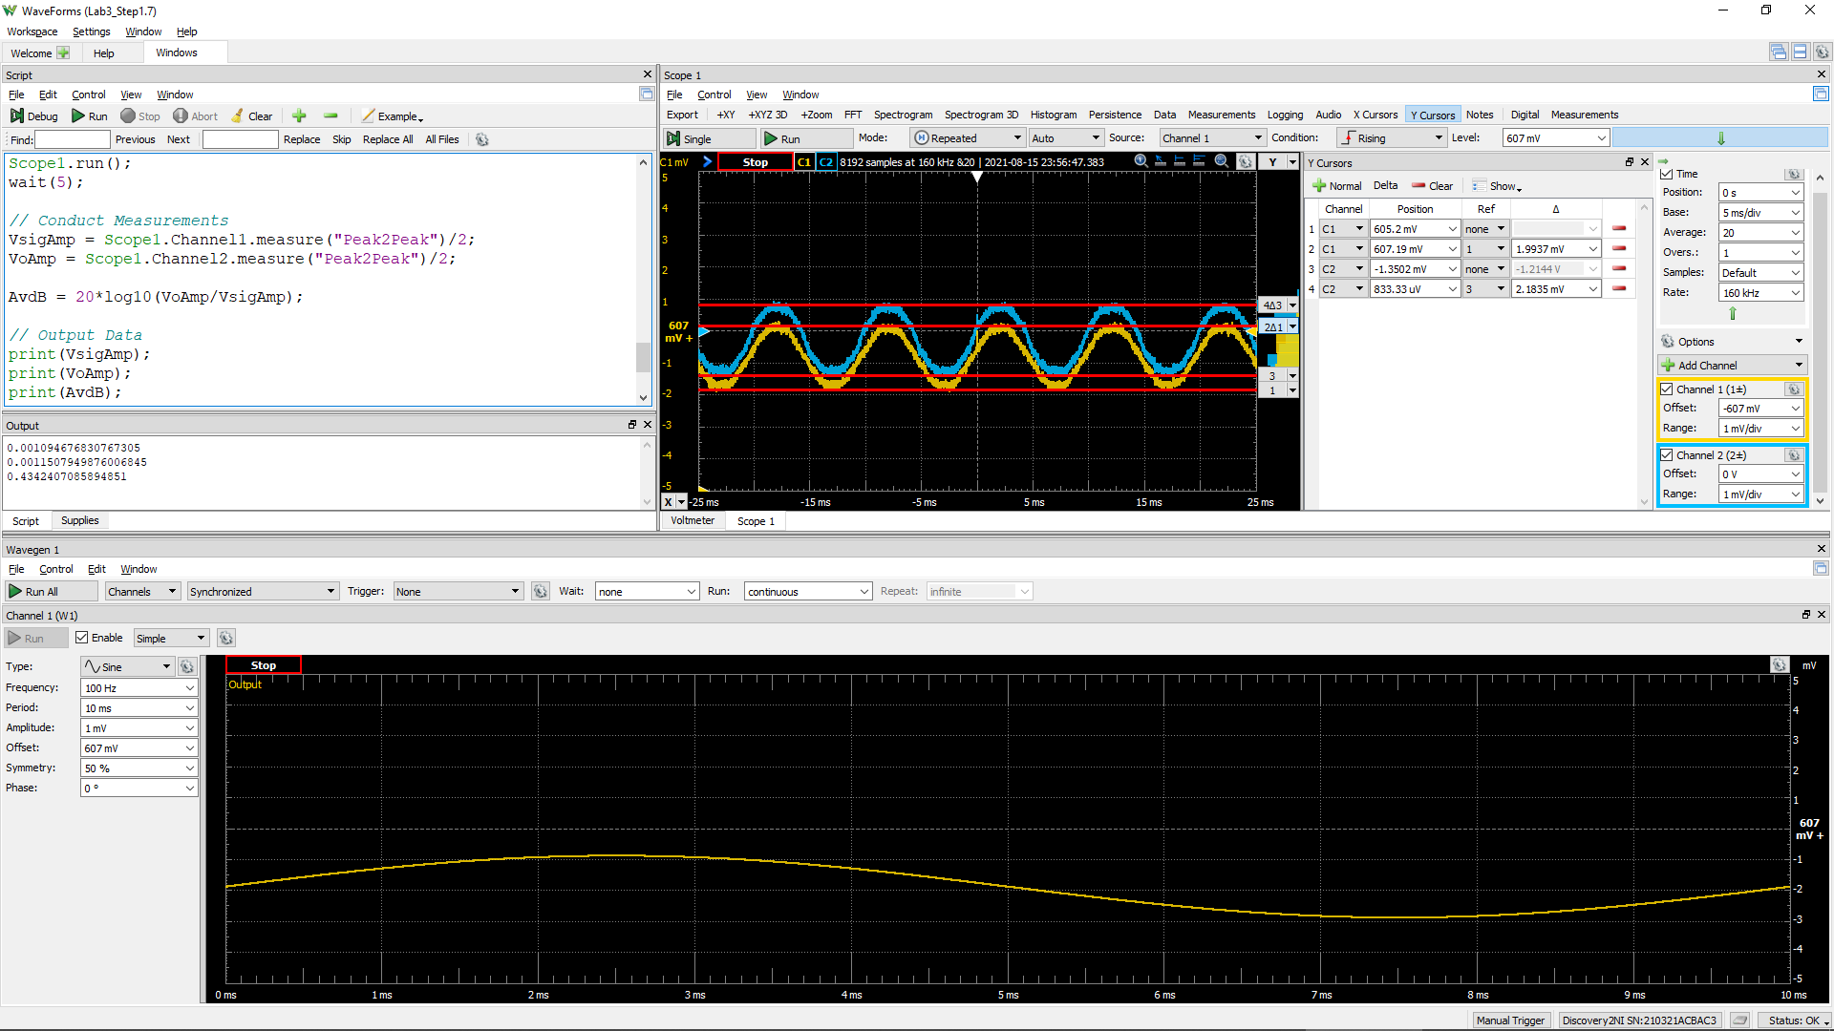
DC1 (V) = Vsig(Peak2Peak) | DC2 (V) = Vo(Peak2Peak) | Voltage Gain Av (dB)
2.02E+00 | 2.21E+00 | 0.8

Step 2.2
IREF and Io Relationship
IREF | Io | Vin | Vo | VEC(Q1) = VEB(Q1) | VEC(Q2)
Amps | Amps | Volts | Volts | Volts | Volts
0.0001 | 0.00010389989488 | 4.4231660005 | -3.9610010115 | 0.58 | 8.96
0.00011 | 0.0001142391674 | 4.4196246123 | -3.8576082874 | 0.58 | 8.86
0.00012 | 0.00012455254695 | 4.4167029487 | -3.7544744929 | 0.58 | 8.75
0.00013 | 0.00013485929052 | 4.4138726948 | -3.6514070582 | 0.59 | 8.65
0.00014 | 0.00014515277603 | 4.4112464713 | -3.5484722042 | 0.59 | 8.55
0.00015 | 0.00015543294444 | 4.4088017119 | -3.4456705211 | 0.59 | 8.45
0.00016 | 0.00016569972245 | 4.4065144444 | -3.343002742 | 0.59 | 8.34
0.00017 | 0.00017595305256 | 4.404365528 | -3.2404694419 | 0.60 | 8.24
0.00018 | 0.00018619288832 | 4.4023391429 | -3.1380710854 | 0.60 | 8.14
0.00019 | 0.00019641919215 | 4.4004220337 | -3.0358080482 | 0.60 | 8.04
0.0002 | 0.00020663193389 | 4.398602985 | -2.9336806317 | 0.60 | 7.93
0.00021 | 0.00021683108964 | 4.3968724238 | -2.8316890752 | 0.60 | 7.83
0.00022 | 0.00022701664077 | 4.3952221136 | -2.729833565 | 0.60 | 7.73
0.00023 | 0.00023718857319 | 4.3936449165 | -2.6281142419 | 0.61 | 7.63
0.00024 | 0.00024734687668 | 4.3921346065 | -2.5265312079 | 0.61 | 7.53
0.00025 | 0.00025749154444 | 4.3906857205 | -2.4250845313 | 0.61 | 7.43
0.00026 | 0.0002676225726 | 4.3892934383 | -2.3237742508 | 0.61 | 7.32
0.00027 | 0.00027773995987 | 4.3879534856 | -2.2226003791 | 0.61 | 7.22
0.00028 | 0.00028784370724 | 4.3866620549 | -2.1215629064 | 0.61 | 7.12
0.00029 | 0.00029793381773 | 4.3854157395 | -2.0206618025 | 0.61 | 7.02
0.0003 | 0.00030801029614 | 4.3842114793 | -1.9198970194 | 0.62 | 6.92
0.00031 | 0.00031807314888 | 4.3830465153 | -1.8192684931 | 0.62 | 6.82
0.00032 | 0.00032812238376 | 4.3819183515 | -1.7187761452 | 0.62 | 6.72
0.00033 | 0.00033815800992 | 4.3808247224 | -1.6184198846 | 0.62 | 6.62
0.00034 | 0.00034818003763 | 4.3797635654 | -1.5181996086 | 0.62 | 6.52
0.00035 | 0.00035818847821 | 4.3787329972 | -1.4181152038 | 0.62 | 6.42
0.00036 | 0.00036818334393 | 4.377731294 | -1.3181665475 | 0.62 | 6.32
0.00037 | 0.00037816464793 | 4.3767568735 | -1.2183535085 | 0.62 | 6.22
0.00038 | 0.00038813240413 | 4.3758082802 | -1.1186759475 | 0.62 | 6.12
0.00039 | 0.00039808662714 | 4.3748841719 | -1.0191337184 | 0.63 | 6.02
0.0004 | 0.00040802733226 | 4.3739833086 | -0.91972666819 | 0.63 | 5.92
0.00041 | 0.00041795453536 | 4.3731045418 | -0.82045463821 | 0.63 | 5.82
0.00042 | 0.00042786825286 | 4.3722468064 | -0.72131746418 | 0.63 | 5.72
0.00043 | 0.00043776850169 | 4.3714091124 | -0.62231497686 | 0.63 | 5.62
0.00044 | 0.00044765529924 | 4.3705905381 | -0.52344700235 | 0.63 | 5.52
0.00045 | 0.00045752866332 | 4.3697902239 | -0.42471336255 | 0.63 | 5.42
0.00046 | 0.00046738861213 | 4.369007367 | -0.32611387543 | 0.63 | 5.33
0.00047 | 0.00047723516424 | 4.3682412163 | -0.22764835537 | 0.63 | 5.23
0.00048 | 0.00048706833853 | 4.3674910682 | -0.12931661341 | 0.63 | 5.13
0.00049 | 0.00049688815422 | 4.3667562627 | -0.031118457521 | 0.63 | 5.03
0.0005 | 0.00050669463078 | 4.3660361796 | 0.066946307157 | 0.63 | 4.93
0.00051 | 0.00051648778798 | 4.3653302358 | 0.16487787812 | 0.63 | 4.84
0.00052 | 0.00052626764579 | 4.3646378821 | 0.26267645527 | 0.64 | 4.74
0.00053 | 0.00053603422444 | 4.3639586006 | 0.36034224079 | 0.64 | 4.64
0.00054 | 0.00054578754435 | 4.3632919025 | 0.45787543892 | 0.64 | 4.54
0.00055 | 0.00055552762614 | 4.362637326 | 0.55527625584 | 0.64 | 4.44
0.00056 | 0.0005652544906 | 4.3619944342 | 0.65254489951 | 0.64 | 4.35
0.00057 | 0.0005749681587 | 4.3613628133 | 0.74968157954 | 0.64 | 4.25
0.00058 | 0.00058466865155 | 4.3607420712 | 0.84668650707 | 0.64 | 4.15
0.00059 | 0.00059435599041 | 4.360131836 | 0.94355989467 | 0.64 | 4.06
0.0006 | 0.00060403019666 | 4.3595317544 | 1.0403019562 | 0.64 | 3.96
0.00061 | 0.00061369129181 | 4.3589414907 | 1.1369129067 | 0.64 | 3.86
0.00062 | 0.00062333929749 | 4.3583607255 | 1.2333929625 | 0.64 | 3.77
0.00063 | 0.0006329742354 | 4.3577891549 | 1.3297423408 | 0.64 | 3.67
0.00064 | 0.00064259612739 | 4.3572264892 | 1.4259612596 | 0.64 | 3.57
0.00065 | 0.00065220499535 | 4.3566724523 | 1.5220499382 | 0.64 | 3.48
0.00066 | 0.00066180086126 | 4.3561267806 | 1.6180085964 | 0.64 | 3.38
0.00067 | 0.0006713837472 | 4.3555892225 | 1.7138374549 | 0.64 | 3.29
0.00068 | 0.0006809536753 | 4.3550595376 | 1.8095367349 | 0.64 | 3.19
0.00069 | 0.00069051066774 | 4.3545374959 | 1.9051066583 | 0.65 | 3.09
0.0007 | 0.00070005474677 | 4.3540228775 | 2.0005474477 | 0.65 | 3.00
0.00071 | 0.00070958593471 | 4.3535154718 | 2.0958593261 | 0.65 | 2.90
0.00072 | 0.00071910425389 | 4.353015077 | 2.191042517 | 0.65 | 2.81
0.00073 | 0.00072860972671 | 4.3525214996 | 2.2860972443 | 0.65 | 2.71
0.00074 | 0.00073810237561 | 4.3520345542 | 2.3810237322 | 0.65 | 2.62
0.00075 | 0.00074758222303 | 4.3515540626 | 2.4758222055 | 0.65 | 2.52
0.00076 | 0.00075704929148 | 4.351079854 | 2.5704928891 | 0.65 | 2.43
0.00077 | 0.00076650360347 | 4.3506117639 | 2.6650360081 | 0.65 | 2.33
0.00078 | 0.00077594518156 | 4.3501496346 | 2.759451788 | 0.65 | 2.24
0.00079 | 0.0007853740483 | 4.3496933141 | 2.8537404544 | 0.65 | 2.15
0.0008 | 0.00079479022627 | 4.3492426563 | 2.9479022333 | 0.65 | 2.05
0.00081 | 0.00080419373808 | 4.3487975204 | 3.0419373504 | 0.65 | 1.96
0.00082 | 0.00081358460632 | 4.348357771 | 3.1358460318 | 0.65 | 1.86
0.00083 | 0.0008229628536 | 4.3479232775 | 3.2296285037 | 0.65 | 1.77
0.00084 | 0.00083232850255 | 4.3474939139 | 3.3232849923 | 0.65 | 1.68
0.00085 | 0.00084168157578 | 4.3470695589 | 3.4168157237 | 0.65 | 1.58
0.00086 | 0.00085102209591 | 4.3466500953 | 3.510220924 | 0.65 | 1.49
0.00087 | 0.00086035008553 | 4.3462354099 | 3.6035008193 | 0.65 | 1.40
0.00088 | 0.00086966556722 | 4.3458253936 | 3.6966556352 | 0.65 | 1.30
0.00089 | 0.00087896856346 | 4.3454199408 | 3.7896855968 | 0.65 | 1.21
0.0009 | 0.00088825909659 | 4.3450189496 | 3.882590927 | 0.65 | 1.12
0.00091 | 0.00089753718831 | 4.3446223214 | 3.9753718433 | 0.66 | 1.02
0.00092 | 0.00090680285795 | 4.3442299609 | 4.0680285388 | 0.66 | 0.93
0.00093 | 0.00091605610939 | 4.3438417761 | 4.1605610523 | 0.66 | 0.84
0.00094 | 0.00092529679987 | 4.3434576808 | 4.2529679562 | 0.66 | 0.75
0.00095 | 0.00093452392705 | 4.3430776076 | 4.345239227 | 0.66 | 0.65
0.00096 | 0.00094373092884 | 4.3427015931 | 4.437309244 | 0.66 | 0.56
0.00097 | 0.00095287602309 | 4.3423303079 | 4.5287601856 | 0.66 | 0.47
0.00098 | 0.00096171724559 | 4.3419679401 | 4.6171724097 | 0.66 | 0.38
0.00099 | 0.00096937509281 | 4.3416295006 | 4.6937508812 | 0.66 | 0.31
0.001 | 0.00097494773361 | 4.3413295317 | 4.7494772886 | 0.66 | 0.25

Step 2.3
IREF and Io Relationship
IREF | Io | Vin | Vo | VEC(Q1) = VEB(Q1) | VEC(Q2)
Amps | Amps | Volts | Volts | Volts | Volts
0.000085 | 8.8376683005E-05 | 4.4289208459 | -4.1162331288 | 0.57 | 9.12
0.0000851 | 8.8480265557E-05 | 4.4288791906 | -4.1151973033 | 0.57 | 9.12
0.0000852 | 8.8583845616E-05 | 4.428837633 | -4.1141615027 | 0.57 | 9.11
0.0000853 | 8.868742505E-05 | 4.4287960997 | -4.1131257084 | 0.57 | 9.11
0.0000854 | 8.8791003238E-05 | 4.4287546151 | -4.1120899265 | 0.57 | 9.11
0.0000855 | 8.8894580177E-05 | 4.4287131789 | -4.1110541571 | 0.57 | 9.11
0.0000856 | 8.8998155868E-05 | 4.4286717911 | -4.1100184002 | 0.57 | 9.11
0.0000857 | 8.9101730311E-05 | 4.4286304516 | -4.1089826558 | 0.57 | 9.11
0.0000858 | 8.9205303505E-05 | 4.4285891602 | -4.1079469239 | 0.57 | 9.11
0.0000859 | 8.9308875449E-05 | 4.4285479169 | -4.1069112044 | 0.57 | 9.11
0.000086 | 8.9412446146E-05 | 4.4285067215 | -4.1058754975 | 0.57 | 9.11
0.0000861 | 8.9516015592E-05 | 4.4284655739 | -4.104839803 | 0.57 | 9.10
0.0000862 | 8.961958379E-05 | 4.4284244741 | -4.1038041211 | 0.57 | 9.10
0.0000863 | 8.9723150736E-05 | 4.4283834218 | -4.1027684516 | 0.57 | 9.10
0.0000864 | 8.9826716433E-05 | 4.4283424171 | -4.1017327947 | 0.57 | 9.10
0.0000865 | 8.9930280878E-05 | 4.4283014597 | -4.1006971502 | 0.57 | 9.10
0.0000866 | 9.0033844073E-05 | 4.4282605496 | -4.0996615183 | 0.57 | 9.10
0.0000867 | 9.0137406017E-05 | 4.4282196867 | -4.0986258988 | 0.57 | 9.10
0.0000868 | 9.024096671E-05 | 4.4281788708 | -4.0975902919 | 0.57 | 9.10
0.0000869 | 9.034452615E-05 | 4.4281381018 | -4.0965546975 | 0.57 | 9.10
0.000087 | 9.0448084339E-05 | 4.4280973797 | -4.0955191157 | 0.57 | 9.10
0.0000871 | 9.0551641275E-05 | 4.4280567043 | -4.0944835463 | 0.57 | 9.09
0.0000872 | 9.0655196959E-05 | 4.4280160756 | -4.0934479895 | 0.57 | 9.09
0.0000873 | 9.075875139E-05 | 4.4279754933 | -4.0924124452 | 0.57 | 9.09
0.0000874 | 9.0862304568E-05 | 4.4279349575 | -4.0913769134 | 0.57 | 9.09
0.0000875 | 9.0965856493E-05 | 4.4278944679 | -4.0903413942 | 0.57 | 9.09
0.0000876 | 9.1069407165E-05 | 4.4278540246 | -4.0893058875 | 0.57 | 9.09
0.0000877 | 9.1172956582E-05 | 4.4278136274 | -4.0882703933 | 0.57 | 9.09
0.0000878 | 9.1276504745E-05 | 4.4277732761 | -4.0872349117 | 0.57 | 9.09
0.0000879 | 9.1380051654E-05 | 4.4277329707 | -4.0861994426 | 0.57 | 9.09
0.000088 | 9.1483597308E-05 | 4.4276927111 | -4.0851639861 | 0.57 | 9.09
0.0000881 | 9.1587141707E-05 | 4.4276524972 | -4.0841285421 | 0.57 | 9.08
0.0000882 | 9.1690684852E-05 | 4.4276123288 | -4.0830931107 | 0.57 | 9.08
0.0000883 | 9.179422674E-05 | 4.4275722059 | -4.0820576918 | 0.57 | 9.08
0.0000884 | 9.1897767373E-05 | 4.4275321284 | -4.0810222855 | 0.57 | 9.08
0.0000885 | 9.200130675E-05 | 4.4274920961 | -4.0799868917 | 0.57 | 9.08
0.0000886 | 9.2104844871E-05 | 4.427452109 | -4.0789515105 | 0.57 | 9.08
0.0000887 | 9.2208381735E-05 | 4.4274121669 | -4.0779161419 | 0.57 | 9.08
0.0000888 | 9.2311917342E-05 | 4.4273722698 | -4.0768807858 | 0.57 | 9.08
0.0000889 | 9.2415451693E-05 | 4.4273324176 | -4.0758454423 | 0.57 | 9.08
0.000089 | 9.2518984786E-05 | 4.4272926101 | -4.0748101114 | 0.57 | 9.07
0.0000891 | 9.2622516622E-05 | 4.4272528472 | -4.073774793 | 0.57 | 9.07
0.0000892 | 9.27260472E-05 | 4.427213129 | -4.0727394873 | 0.57 | 9.07
0.0000893 | 9.2829576521E-05 | 4.4271734551 | -4.0717041941 | 0.57 | 9.07
0.0000894 | 9.2933104582E-05 | 4.4271338256 | -4.0706689135 | 0.57 | 9.07
0.0000895 | 9.3036631384E-05 | 4.4270942404 | -4.0696336455 | 0.57 | 9.07
0.0000896 | 9.3140156929E-05 | 4.4270546993 | -4.06859839 | 0.57 | 9.07
0.0000897 | 9.3243681214E-05 | 4.4270152023 | -4.0675631472 | 0.57 | 9.07
0.0000898 | 9.334720424E-05 | 4.4269757492 | -4.0665279169 | 0.57 | 9.07
0.0000899 | 9.3450726007E-05 | 4.42693634 | -4.0654926993 | 0.57 | 9.07
0.00009 | 9.3554246513E-05 | 4.4268969745 | -4.0644574942 | 0.57 | 9.06
0.0000901 | 9.365776576E-05 | 4.4268576528 | -4.0634223018 | 0.57 | 9.06
0.0000902 | 9.3761283747E-05 | 4.4268183745 | -4.0623871219 | 0.57 | 9.06
0.0000903 | 9.3864800472E-05 | 4.4267791398 | -4.0613519547 | 0.57 | 9.06
0.0000904 | 9.3968315937E-05 | 4.4267399484 | -4.0603168 | 0.57 | 9.06
0.0000905 | 9.4071830141E-05 | 4.4267008003 | -4.059281658 | 0.57 | 9.06
0.0000906 | 9.4175343083E-05 | 4.4266616954 | -4.0582465286 | 0.57 | 9.06
0.0000907 | 9.4278854764E-05 | 4.4266226336 | -4.0572114118 | 0.57 | 9.06
0.0000908 | 9.4382365184E-05 | 4.4265836148 | -4.0561763076 | 0.57 | 9.06
0.0000909 | 9.4485874341E-05 | 4.4265446389 | -4.055141216 | 0.57 | 9.06
0.000091 | 9.4589382235E-05 | 4.4265057057 | -4.0541061371 | 0.57 | 9.05
0.0000911 | 9.4692888868E-05 | 4.4264668153 | -4.0530710708 | 0.57 | 9.05
0.0000912 | 9.4796394236E-05 | 4.4264279675 | -4.0520360171 | 0.57 | 9.05
0.0000913 | 9.4899898344E-05 | 4.4263891623 | -4.0510009761 | 0.57 | 9.05
0.0000914 | 9.5003401188E-05 | 4.4263503994 | -4.0499659476 | 0.57 | 9.05
0.0000915 | 9.5106902767E-05 | 4.4263116789 | -4.0489309318 | 0.57 | 9.05
0.0000916 | 9.5210403083E-05 | 4.4262730007 | -4.0478959287 | 0.57 | 9.05
0.0000917 | 9.5313902136E-05 | 4.4262343645 | -4.0468609382 | 0.57 | 9.05
0.0000918 | 9.5417399923E-05 | 4.4261957705 | -4.0458259603 | 0.57 | 9.05
0.0000919 | 9.5520896447E-05 | 4.4261572184 | -4.0447909951 | 0.57 | 9.04
0.000092 | 9.5624391706E-05 | 4.4261187082 | -4.0437560425 | 0.57 | 9.04
0.0000921 | 9.57278857E-05 | 4.4260802398 | -4.0427211026 | 0.57 | 9.04
0.0000922 | 9.5831378429E-05 | 4.4260418131 | -4.0416861753 | 0.57 | 9.04
0.0000923 | 9.5934869892E-05 | 4.426003428 | -4.0406512607 | 0.57 | 9.04
0.0000924 | 9.603836009E-05 | 4.4259650844 | -4.0396163587 | 0.57 | 9.04
0.0000925 | 9.6141849022E-05 | 4.4259267822 | -4.0385814694 | 0.57 | 9.04
0.0000926 | 9.6245336687E-05 | 4.4258885214 | -4.0375465927 | 0.57 | 9.04
0.0000927 | 9.6348823087E-05 | 4.4258503018 | -4.0365117288 | 0.57 | 9.04
0.0000928 | 9.645230822E-05 | 4.4258121233 | -4.0354768774 | 0.57 | 9.04
0.0000929 | 9.6555792086E-05 | 4.425773986 | -4.0344420388 | 0.57 | 9.03
0.000093 | 9.6659274686E-05 | 4.4257358896 | -4.0334072128 | 0.57 | 9.03
0.0000931 | 9.6762756017E-05 | 4.4256978341 | -4.0323723995 | 0.57 | 9.03
0.0000932 | 9.6866236082E-05 | 4.4256598194 | -4.0313375989 | 0.57 | 9.03
0.0000933 | 9.6969714878E-05 | 4.4256218454 | -4.0303028109 | 0.57 | 9.03
0.0000934 | 9.7073192407E-05 | 4.4255839121 | -4.0292680356 | 0.57 | 9.03
0.0000935 | 9.7176668667E-05 | 4.4255460193 | -4.028233273 | 0.57 | 9.03
0.0000936 | 9.728014366E-05 | 4.425508167 | -4.0271985231 | 0.57 | 9.03
0.0000937 | 9.7383617383E-05 | 4.425470355 | -4.0261637859 | 0.57 | 9.03
0.0000938 | 9.7487089838E-05 | 4.4254325833 | -4.0251290614 | 0.57 | 9.03
0.0000939 | 9.7590561023E-05 | 4.4253948518 | -4.0240943495 | 0.57 | 9.02
0.000094 | 9.7694030939E-05 | 4.4253571604 | -4.0230596504 | 0.57 | 9.02
0.0000941 | 9.7797499586E-05 | 4.4253195091 | -4.0220249639 | 0.57 | 9.02
0.0000942 | 9.7900966963E-05 | 4.4252818977 | -4.0209902902 | 0.57 | 9.02
0.0000943 | 9.800443307E-05 | 4.4252443261 | -4.0199556291 | 0.57 | 9.02
0.0000944 | 9.8107897907E-05 | 4.4252067943 | -4.0189209807 | 0.57 | 9.02
0.0000945 | 9.8211361474E-05 | 4.4251693022 | -4.0178863451 | 0.57 | 9.02
0.0000946 | 9.8314823768E-05 | 4.4251318498 | -4.0168517221 | 0.57 | 9.02
0.0000947 | 9.8418284794E-05 | 4.4250944368 | -4.0158171119 | 0.57 | 9.02
0.0000948 | 9.8521744547E-05 | 4.4250570633 | -4.0147825144 | 0.57 | 9.01
0.0000949 | 9.8625203029E-05 | 4.4250197291 | -4.0137479296 | 0.57 | 9.01
0.000095 | 9.8728660241E-05 | 4.4249824342 | -4.0127133575 | 0.58 | 9.01

Step 3.2
Frequency | vm(vo) | ph(v(vo)) | Ad = 20*log(|Vo|/2mV) | GBW | GBW in Step 3.6, Lab 2
Hz | Volts | deg | dB | Hz | Hz | PartSim Screenshots of Schematics and DC Bias
100 | 6.2910343374 | -0.19664176747 | 69.95 | 3.52E+07 | 7.95E+07
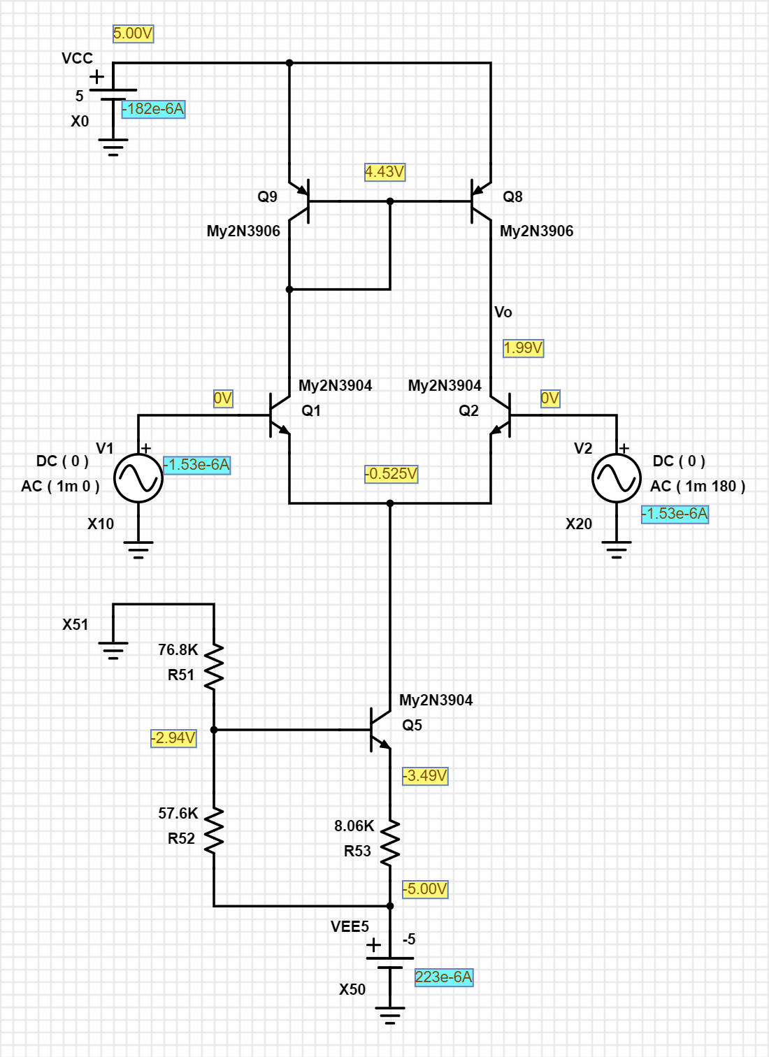
102.30597298 | 6.2910326097 | -0.20117623668 | 69.95
104.66512108 | 6.2910308013 | -0.20581526692 | 69.95
107.0786705 | 6.2910289084 | -0.21056126914 | 69.95
109.54787571 | 6.2910269273 | -0.2154167099 | 69.95
112.07402013 | 6.2910248539 | -0.22038411262 | 69.95
114.65841676 | 6.2910226837 | -0.22546605888 | 69.95
117.30240887 | 6.2910204122 | -0.23066518978 | 69.95
120.00737073 | 6.2910180348 | -0.23598420729 | 69.95
122.77470828 | 6.2910155466 | -0.24142587571 | 69.95
125.60585988 | 6.2910129422 | -0.24699302303 | 69.95
128.50229708 | 6.2910102163 | -0.25268854244 | 69.95
131.46552533 | 6.2910073633 | -0.25851539381 | 69.95
134.49708483 | 6.2910043772 | -0.26447660528 | 69.95
137.59855127 | 6.2910012517 | -0.27057527475 | 69.95
140.77153669 | 6.2909979805 | -0.27681457155 | 69.95
144.0176903 | 6.2909945567 | -0.28319773805 | 69.95
147.33869933 | 6.2909909732 | -0.28972809138 | 69.95
150.73628993 | 6.2909872224 | -0.2964090251 | 69.95
154.21222805 | 6.2909832968 | -0.30324401101 | 69.95
157.76832037 | 6.290979188 | -0.31023660093 | 69.95
161.40641522 | 6.2909748875 | -0.31739042852 | 69.95
165.12840355 | 6.2909703864 | -0.3247092112 | 69.95
168.93621992 | 6.2909656753 | -0.33219675207 | 69.95
172.83184351 | 6.2909607445 | -0.33985694188 | 69.95
176.81729913 | 6.2909555836 | -0.34769376102 | 69.95
180.89465828 | 6.290950182 | -0.35571128164 | 69.95
185.06604023 | 6.2909445284 | -0.36391366971 | 69.95
189.33361312 | 6.2909386111 | -0.3723051872 | 69.95
193.69959509 | 6.2909324177 | -0.38089019429 | 69.95
198.16625542 | 6.2909259355 | -0.38967315164 | 69.95
202.73591574 | 6.2909191509 | -0.39865862267 | 69.95
207.41095118 | 6.2909120498 | -0.40785127595 | 69.95
212.19379168 | 6.2909046174 | -0.41725588761 | 69.95
217.0869232 | 6.2908968383 | -0.42687734381 | 69.95
222.092889 | 6.2908886964 | -0.43672064329 | 69.95
227.21429102 | 6.2908801747 | -0.44679089993 | 69.95
232.45379118 | 6.2908712554 | -0.45709334541 | 69.95
237.81411281 | 6.29086192 | -0.46763333192 | 69.95
243.298042 | 6.2908521492 | -0.47841633494 | 69.95
248.90842912 | 6.2908419227 | -0.48944795603 | 69.95
254.64819025 | 6.2908312192 | -0.50073392579 | 69.95
260.52030873 | 6.2908200163 | -0.51228010677 | 69.95
266.52783666 | 6.290808291 | -0.52409249653 | 69.95
272.67389657 | 6.2907960186 | -0.53617723071 | 69.95
278.96168296 | 6.2907831737 | -0.54854058623 | 69.95
285.39446401 | 6.2907697298 | -0.56118898456 | 69.95
291.97558325 | 6.2907556588 | -0.57412899497 | 69.95 |  |  | PartSim Screenshot of AC Frequency Response Vo
298.70846132 | 6.2907409315 | -0.58736733793 | 69.95
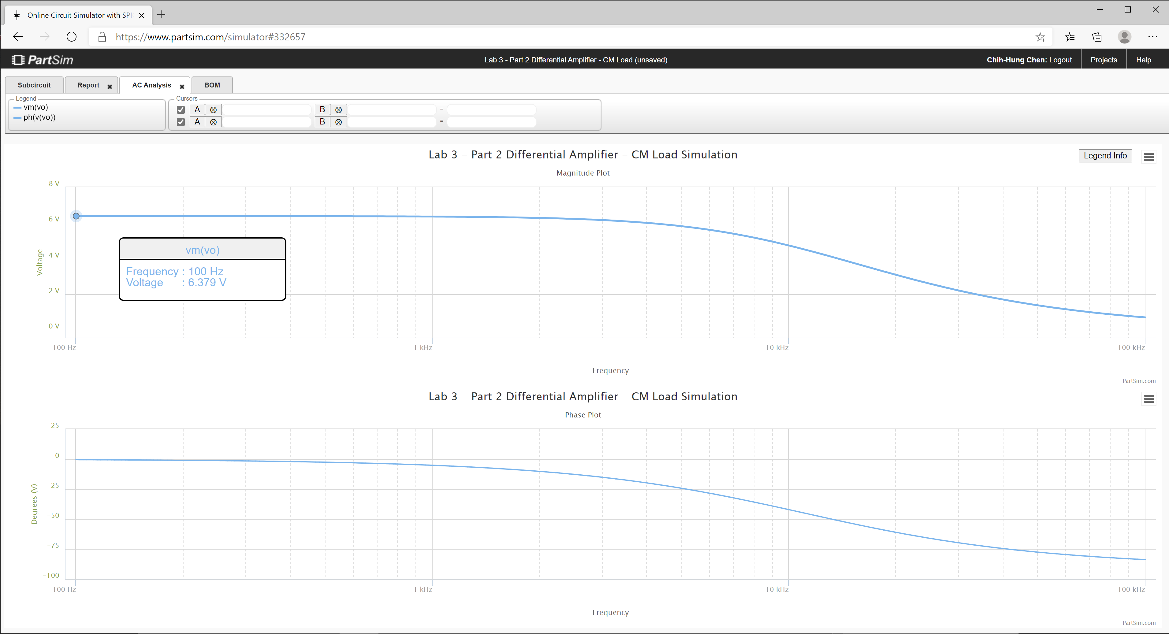
305.59659774 | 6.2907255173 | -0.60091088862 | 69.95
312.64357272 | 6.2907093841 | -0.61476668047 | 69.95
319.85304905 | 6.2906924984 | -0.62894190876 | 69.95
327.22877395 | 6.2906748249 | -0.64344393431 | 69.95
334.77458107 | 6.2906563272 | -0.65828028739 | 69.95
342.49439247 | 6.2906369669 | -0.67345867145 | 69.95
350.39222063 | 6.2906167033 | -0.68898696713 | 69.95
358.47217058 | 6.2905954948 | -0.70487323644 | 69.95
366.73844199 | 6.2905732972 | -0.72112572671 | 69.95
375.19533138 | 6.2905500642 | -0.73775287497 | 69.95
383.84723436 | 6.2905257477 | -0.75476331223 | 69.95
392.69864789 | 6.2905002971 | -0.77216586794 | 69.95
401.75417262 | 6.2904736592 | -0.78996957446 | 69.95
411.0185153 | 6.2904457792 | -0.80818367186 | 69.95
420.49649122 | 6.2904165991 | -0.82681761246 | 69.95
430.19302671 | 6.2903860581 | -0.84588106575 | 69.95
440.11316169 | 6.2903540928 | -0.86538392339 | 69.95
450.2620523 | 6.2903206368 | -0.8853363042 | 69.95
460.64497358 | 6.2902856203 | -0.90574855933 | 69.95
471.26732222 | 6.2902489712 | -0.92663127776 | 69.95
482.13461936 | 6.2902106131 | -0.94799529135 | 69.95
493.25251343 | 6.2901704661 | -0.96985168061 | 69.95
504.62678313 | 6.2901284472 | -0.99221178031 | 69.95
516.26334042 | 6.2900844688 | -1.0150871852 | 69.95
528.16823358 | 6.2900384397 | -1.0384897559 | 69.95
540.34765036 | 6.2899902646 | -1.0624316252 | 69.95
552.8079212 | 6.2899398432 | -1.0869252036 | 69.95
565.55552251 | 6.2898870708 | -1.1119831864 | 69.95
578.59708007 | 6.289831838 | -1.1376185594 | 69.95
591.93937243 | 6.28977403 | -1.1638446059 | 69.95
605.58933444 | 6.2897135268 | -1.1906749135 | 69.95
619.55406089 | 6.2896502032 | -1.2181233805 | 69.95
633.84081015 | 6.2895839273 | -1.2462042232 | 69.95
648.457008 | 6.2895145618 | -1.2749319832 | 69.95
663.41025142 | 6.2894419629 | -1.3043215345 | 69.95
678.70831259 | 6.2893659799 | -1.3343880907 | 69.95
694.35914292 | 6.2892864549 | -1.3651472132 | 69.95
710.37087717 | 6.2892032234 | -1.3966148188 | 69.95
726.75183769 | 6.2891161125 | -1.4288071871 | 69.95
743.51053873 | 6.2890249417 | -1.4617409693 | 69.95
760.65569088 | 6.288929522 | -1.4954331964 | 69.95
778.19620562 | 6.2888296554 | -1.529901287 | 69.95
796.14119989 | 6.2887251349 | -1.5651630568 | 69.95
814.50000087 | 6.2886157442 | -1.6012367268 | 69.95
833.28215085 | 6.2885012562 | -1.6381409324 | 69.95
852.49741213 | 6.2883814341 | -1.6758947327 | 69.95
872.15577214 | 6.2882560293 | -1.7145176195 | 69.95
892.26744863 | 6.2881247822 | -1.7540295275 | 69.95
912.84289494 | 6.2879874214 | -1.7944508433 | 69.95
933.89280549 | 6.2878436619 | -1.8358024154 | 69.95
955.42812129 | 6.2876932065 | -1.8781055646 | 69.95
977.46003565 | 6.2875357436 | -1.9213820943 | 69.95
1000 | 6.2873709477 | -1.9656543006 | 69.95
1023.0597298 | 6.2871984778 | -2.0109449831 | 69.95
1046.6512108 | 6.2870179771 | -2.057277456 | 69.95
1070.786705 | 6.2868290723 | -2.1046755589 | 69.95
1095.4787571 | 6.2866313733 | -2.1531636683 | 69.95
1120.7402013 | 6.2864244713 | -2.2027667088 | 69.95
1146.5841676 | 6.2862079391 | -2.253510165 | 69.95
1173.0240887 | 6.2859813292 | -2.3054200931 | 69.95
1200.0737073 | 6.2857441741 | -2.3585231332 | 69.95
1227.7470828 | 6.2854959841 | -2.4128465216 | 69.95
1256.0585988 | 6.285236247 | -2.468418103 | 69.95
1285.0229708 | 6.2849644276 | -2.5252663435 | 69.95
1314.6552533 | 6.284679965 | -2.5834203429 | 69.95
1344.9708483 | 6.2843822736 | -2.6429098488 | 69.94
1375.9855127 | 6.2840707395 | -2.7037652683 | 69.94
1407.7153669 | 6.2837447217 | -2.766017683 | 69.94
1440.176903 | 6.2834035493 | -2.8296988617 | 69.94
1473.3869933 | 6.2830465201 | -2.8948412742 | 69.94
1507.3628993 | 6.2826729004 | -2.9614781058 | 69.94
1542.1222805 | 6.2822819221 | -3.0296432708 | 69.94
1577.6832037 | 6.2818727825 | -3.0993714275 | 69.94
1614.0641522 | 6.2814446414 | -3.1706979917 | 69.94
1651.2840355 | 6.2809966209 | -3.2436591525 | 69.94
1689.3621992 | 6.2805278025 | -3.3182918862 | 69.94
1728.3184351 | 6.2800372254 | -3.394633971 | 69.94
1768.1729913 | 6.2795238852 | -3.4727240027 | 69.94
1808.9465828 | 6.2789867324 | -3.5526014097 | 69.94
1850.6604023 | 6.278424668 | -3.6343064672 | 69.94
1893.3361312 | 6.2778365445 | -3.7178803137 | 69.94
1936.9959509 | 6.2772211609 | -3.8033649654 | 69.93
1981.6625542 | 6.276577263 | -3.8908033322 | 69.93
2027.3591574 | 6.2759035385 | -3.9802392323 | 69.93
2074.1095118 | 6.2751986166 | -4.0717174083 | 69.93
2121.9379168 | 6.2744610632 | -4.1652835418 | 69.93
2170.869232 | 6.2736893808 | -4.2609842692 | 69.93
2220.92889 | 6.2728820033 | -4.3588671967 | 69.93
2272.1429102 | 6.2720372943 | -4.4589809148 | 69.93
2324.5379118 | 6.2711535442 | -4.5613750145 | 69.93
2378.1411281 | 6.270228966 | -4.6661001002 | 69.93
2432.98042 | 6.2692616929 | -4.7732078056 | 69.92
2489.0842912 | 6.2682497745 | -4.8827508073 | 69.92
2546.4819025 | 6.2671911739 | -4.9947828393 | 69.92
2605.2030873 | 6.2660837623 | -5.1093587048 | 69.92
2665.2783666 | 6.2649253171 | -5.2265342916 | 69.92
2726.7389657 | 6.2637135173 | -5.346366583 | 69.92
2789.6168296 | 6.262445938 | -5.4689136702 | 69.91
2853.9446401 | 6.2611200486 | -5.5942347645 | 69.91
2919.7558325 | 6.2597332066 | -5.7223902074 | 69.91
2987.0846132 | 6.2582826531 | -5.8534414803 | 69.91
3055.9659774 | 6.2567655093 | -5.987451215 | 69.91
3126.4357272 | 6.2551787699 | -6.1244832002 | 69.90
3198.5304905 | 6.2535192996 | -6.2646023905 | 69.90
3272.2877395 | 6.2517838269 | -6.4078749113 | 69.90
3347.7458107 | 6.2499689387 | -6.5543680638 | 69.90
3424.9439247 | 6.248071076 | -6.70415033 | 69.89
3503.9222063 | 6.246086526 | -6.8572913726 | 69.89
3584.7217058 | 6.2440114186 | -7.0138620376 | 69.89
3667.3844199 | 6.2418417186 | -7.1739343524 | 69.89
3751.9533138 | 6.2395732204 | -7.3375815222 | 69.88
3838.4723436 | 6.2372015409 | -7.5048779257 | 69.88
3926.9864789 | 6.234722114 | -7.6758991086 | 69.88
4017.5417262 | 6.2321301834 | -7.8507217729 | 69.87
4110.185153 | 6.2294207954 | -8.0294237654 | 69.87
4204.9649122 | 6.2265887924 | -8.2120840635 | 69.86
4301.9302671 | 6.2236288064 | -8.3987827577 | 69.86
4401.1316169 | 6.2205352499 | -8.5896010291 | 69.86
4502.620523 | 6.2173023114 | -8.7846211293 | 69.85
4606.4497358 | 6.2139239452 | -8.9839263486 | 69.85
4712.6732222 | 6.2103938661 | -9.1876009881 | 69.84
4821.3461936 | 6.2067055408 | -9.3957303232 | 69.84
4932.5251343 | 6.2028521808 | -9.6084005641 | 69.83
5046.2678313 | 6.1988267335 | -9.8256988106 | 69.83
5162.6334042 | 6.1946218771 | -10.047713006 | 69.82
5281.6823358 | 6.190230011 | -10.274531881 | 69.81
5403.4765036 | 6.1856432496 | -10.506244894 | 69.81
5528.079212 | 6.1808534137 | -10.742942169 | 69.80
5655.5552251 | 6.1758520249 | -10.984714419 | 69.79
5785.9708007 | 6.1706302973 | -11.231652874 | 69.79
5919.3937243 | 6.1651791311 | -11.483849194 | 69.78
6055.8933444 | 6.1594891062 | -11.741395377 | 69.77
6195.5406089 | 6.1535504768 | -12.004383664 | 69.76
6338.4081015 | 6.1473531642 | -12.272906427 | 69.75
6484.57008 | 6.1408867524 | -12.54705606 | 69.74
6634.1025142 | 6.1341404829 | -12.826924852 | 69.73
6787.0831259 | 6.1271032518 | -13.112604859 | 69.72
6943.5914292 | 6.1197636047 | -13.404187758 | 69.71
7103.7087717 | 6.112109735 | -13.701764704 | 69.70
7267.5183769 | 6.1041294817 | -14.005426162 | 69.69
7435.1053873 | 6.0958103287 | -14.315261741 | 69.68
7606.5569088 | 6.0871394056 | -14.631360018 | 69.67
7781.9620562 | 6.0781034876 | -14.953808334 | 69.65
7961.4119989 | 6.0686889996 | -15.282692607 | 69.64
8145.0000087 | 6.0588820199 | -15.618097107 | 69.63
8332.8215085 | 6.0486682852 | -15.960104239 | 69.61
8524.9741213 | 6.0380331984 | -16.308794302 | 69.60
8721.5577214 | 6.0269618372 | -16.664245243 | 69.58
8922.6744863 | 6.0154389654 | -17.026532403 | 69.56
9128.4289494 | 6.0034490459 | -17.395728237 | 69.55
9338.9280549 | 5.990976255 | -17.771902042 | 69.53
9554.2812129 | 5.9780045007 | -18.155119656 | 69.51
9774.6003565 | 5.964517442 | -18.54544316 | 69.49
10000 | 5.9504985118 | -18.942930559 | 69.47
10230.597298 | 5.9359309416 | -19.347635461 | 69.45
10466.512108 | 5.9207977898 | -19.759606741 | 69.43
10707.86705 | 5.9050819724 | -20.178888195 | 69.40
10954.787571 | 5.8887662967 | -20.605518195 | 69.38
11207.402013 | 5.8718334995 | -21.039529327 | 69.35
11465.841676 | 5.854266286 | -21.480948026 | 69.33
11730.240887 | 5.8360473739 | -21.929794209 | 69.30
12000.737073 | 5.8171595411 | -22.386080901 | 69.27
12277.470828 | 5.797585675 | -22.849813862 | 69.24
12560.585988 | 5.7773088265 | -23.320991209 | 69.21
12850.229708 | 5.7563122667 | -23.799603045 | 69.18
13146.552533 | 5.734579548 | -24.285631094 | 69.15
13449.708483 | 5.7120945658 | -24.779048323 | 69.12
13759.855127 | 5.6888416266 | -25.279818603 | 69.08
14077.153669 | 5.6648055163 | -25.787896352 | 69.04
14401.76903 | 5.6399715721 | -26.303226206 | 69.00
14733.869933 | 5.6143257567 | -26.825742697 | 68.97
15073.628993 | 5.5878547356 | -27.355369965 | 68.92
15421.222805 | 5.5605459539 | -27.89202147 | 68.88
15776.832037 | 5.5323877167 | -28.435599742 | 68.84
16140.641522 | 5.5033692695 | -28.985996155 | 68.79
16512.840355 | 5.4734808783 | -29.54309073 | 68.74
16893.621992 | 5.4427139114 | -30.106751973 | 68.70
17283.184351 | 5.4110609191 | -30.676836745 | 68.65
17681.729913 | 5.378515713 | -31.253190174 | 68.59
18089.465828 | 5.3450734428 | -31.83564561 | 68.54
18506.604023 | 5.3107306711 | -32.424024615 | 68.48
18933.361312 | 5.2754854449 | -33.018137016 | 68.42
19369.959509 | 5.2393373633 | -33.617780983 | 68.36
19816.625542 | 5.2022876401 | -34.222743181 | 68.30
20273.591574 | 5.1643391623 | -34.832798955 | 68.24
20741.095118 | 5.1254965406 | -35.447712579 | 68.17
21219.379168 | 5.0857661559 | -36.067237552 | 68.11
21708.69232 | 5.0451561962 | -36.691116952 | 68.04
22209.2889 | 5.003676687 | -37.319083837 | 67.97
22721.429102 | 4.9613395127 | -37.950861712 | 67.89
23245.379118 | 4.9181584294 | -38.586165028 | 67.82
23781.411281 | 4.8741490678 | -39.224699752 | 67.74
24329.8042 | 4.8293289275 | -39.866163969 | 67.66
24890.842912 | 4.78371736 | -40.510248537 | 67.57
25464.819025 | 4.7373355432 | -41.156637789 | 67.49
26052.030873 | 4.6902064445 | -41.805010262 | 67.40
26652.783666 | 4.6423547735 | -42.455039468 | 67.31
27267.389657 | 4.5938069272 | -43.106394702 | 67.22
27896.168296 | 4.5445909222 | -43.758741861 | 67.13
28539.446401 | 4.4947363198 | -44.411744297 | 67.03
29197.558325 | 4.4442741418 | -45.065063686 | 66.94
29870.846132 | 4.3932367772 | -45.718360894 | 66.84
30559.659774 | 4.3416578824 | -46.371296868 | 66.73
31264.357272 | 4.289572273 | -47.023533505 | 66.63
31985.304905 | 4.237015811 | -47.674734534 | 66.52
32722.877395 | 4.1840252859 | -48.324566381 | 66.41
33477.458107 | 4.1306382906 | -48.972699003 | 66.30
34249.439247 | 4.0768930961 | -49.618806723 | 66.19
35039.222063 | 4.0228285212 | -50.262569021 | 66.07
35847.217058 | 3.9684838027 | -50.903671302 | 65.95
36673.844199 | 3.913898464 | -51.541805624 | 65.83
37519.533138 | 3.8591121844 | -52.176671384 | 65.71
38384.723436 | 3.8041646703 | -52.807975975 | 65.58
39269.864789 | 3.749095528 | -53.435435373 | 65.46
40175.417262 | 3.6939441404 | -54.058774703 | 65.33
41101.85153 | 3.6387495472 | -54.677728731 | 65.20
42049.649122 | 3.5835503298 | -55.292042315 | 65.07
43019.302671 | 3.5283845018 | -55.901470805 | 64.93
44011.316169 | 3.4732894059 | -56.505780386 | 64.79
45026.20523 | 3.4183016158 | -57.104748364 | 64.66
46064.497358 | 3.363456847 | -57.698163405 | 64.52
47126.732222 | 3.3087898727 | -58.285825716 | 64.37
48213.461936 | 3.2543344491 | -58.867547185 | 64.23
49325.251343 | 3.2001232471 | -59.443151451 | 64.08
50462.678313 | 3.1461877917 | -60.012473952 | 63.94
51626.334042 | 3.09255841 | -60.575361906 | 63.79
52816.823358 | 3.0392641863 | -61.131674257 | 63.63
54034.765036 | 2.9863329243 | -61.681281585 | 63.48
55280.79212 | 2.9337911179 | -62.224065967 | 63.33
56555.552251 | 2.8816639281 | -62.759920807 | 63.17
57859.708007 | 2.8299751669 | -63.288750643 | 63.02
59193.937243 | 2.7787472884 | -63.810470906 | 62.86
60558.933444 | 2.7280013854 | -64.325007667 | 62.70
61955.406089 | 2.6777571922 | -64.832297358 | 62.53
63384.081015 | 2.6280330927 | -65.332286466 | 62.37
64845.7008 | 2.5788461335 | -65.824931212 | 62.21
66341.025142 | 2.530212042 | -66.310197224 | 62.04
67870.831259 | 2.4821452478 | -66.788059178 | 61.88
69435.914292 | 2.4346589092 | -67.258500453 | 61.71
71037.087717 | 2.3877649417 | -67.721512755 | 61.54
72675.183769 | 2.3414740502 | -68.177095751 | 61.37
74351.053873 | 2.2957957637 | -68.625256699 | 61.20
76065.569088 | 2.2507384724 | -69.066010068 | 61.03
77819.620562 | 2.2063094657 | -69.499377166 | 60.85
79614.119989 | 2.1625149729 | -69.925385766 | 60.68
81450.000087 | 2.119360204 | -70.344069744 | 60.50
83328.215085 | 2.0768493923 | -70.755468707 | 60.33
85249.741213 | 2.0349858367 | -71.159627644 | 60.15
87215.577214 | 1.9937719452 | -71.556596568 | 59.97
89226.744863 | 1.9532092773 | -71.946430182 | 59.79
91284.289494 | 1.9132985877 | -72.329187542 | 59.62
93389.280549 | 1.8740398685 | -72.70493174 | 59.43
95542.812129 | 1.8354323918 | -73.073729581 | 59.25
97746.003565 | 1.7974747506 | -73.43565129 | 59.07
100000 | 1.7601649 | -73.790770219 | 58.89

Step 3.6
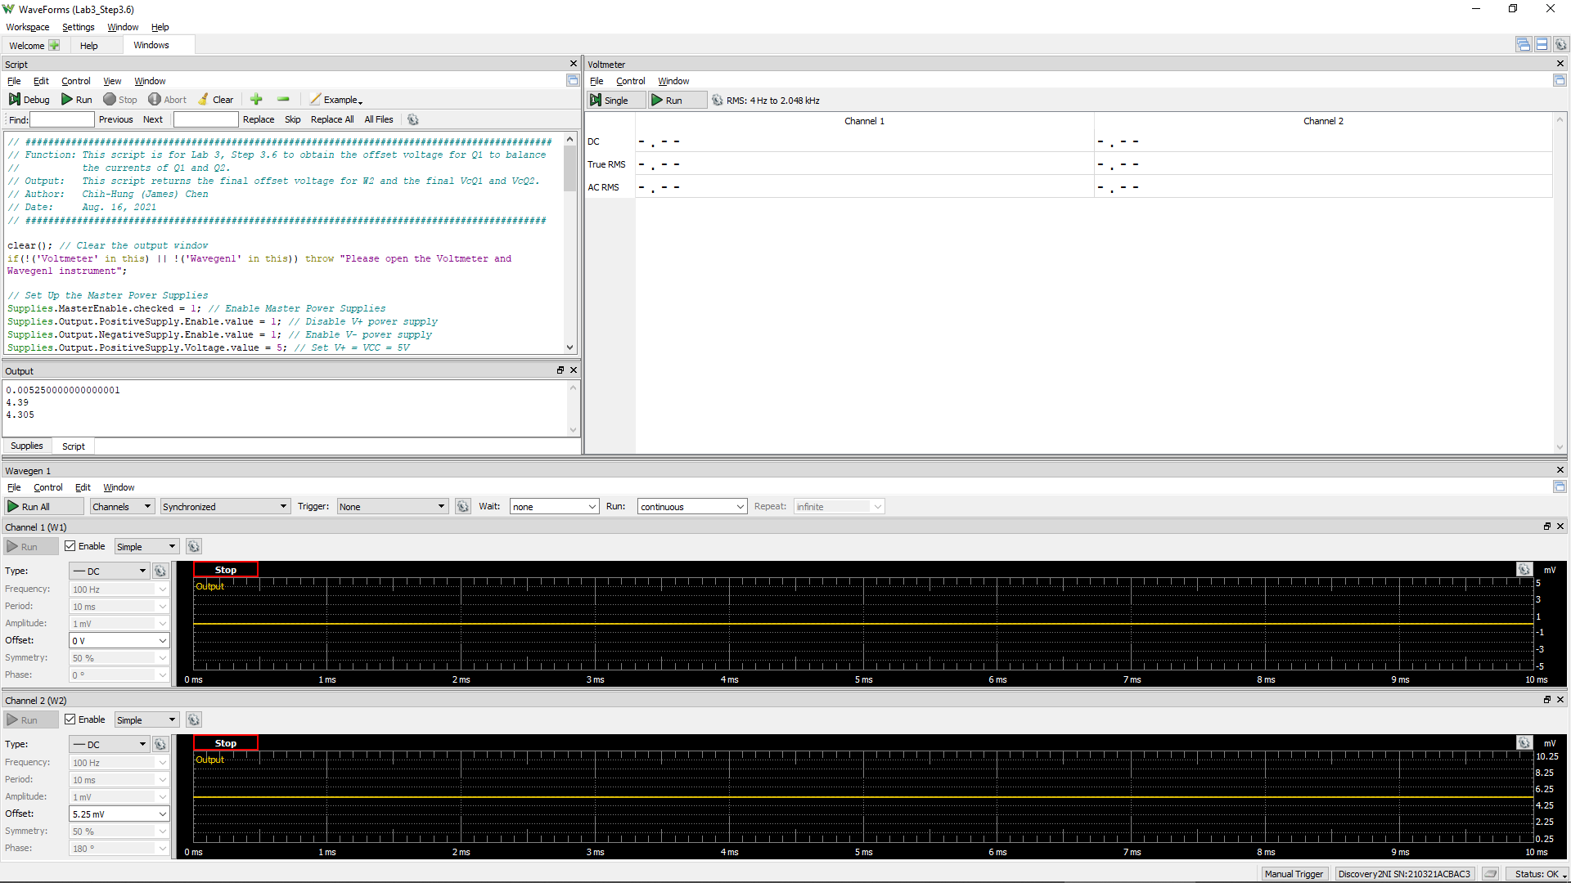
VCC =VE9 = VE8 | VC1 (= VC9 = VB9 = VB8) | Vo (= VC2 = VC8) | VEB9 | VBC8 | W2Offset
Volt | Volt | Volt | Volt | Volt | Volt
5.0 | 4.406 | 4.381 | 0.594 | 0.025 | 5.25E-03
 |  |  | Q9 is ON if VEB9 > 0.6 | Q8 is in Active Region if VBC8 > -0.4 V

Step 3.8
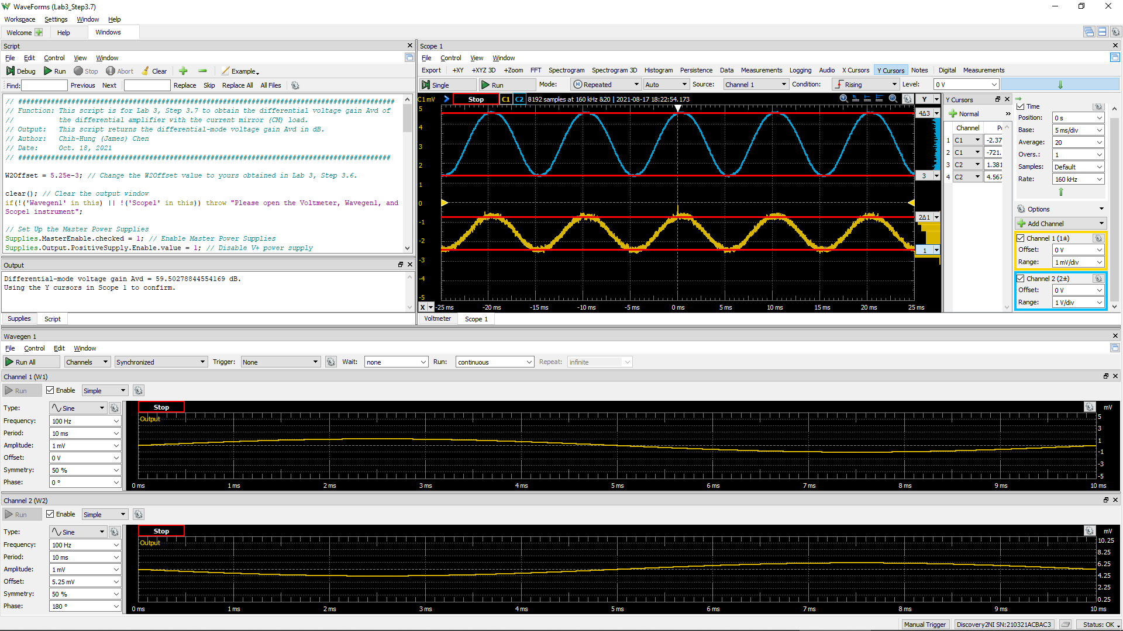
DC1 (V) = Vsig(Peak2Peak) | DC2 (V) = Vo(Peak2Peak) | Differential Voltage Gain Avd of a Single-Stage Differential Amplifier (dB)
2.6435E-03 | 1.5909 | 49.6

Step 3.9
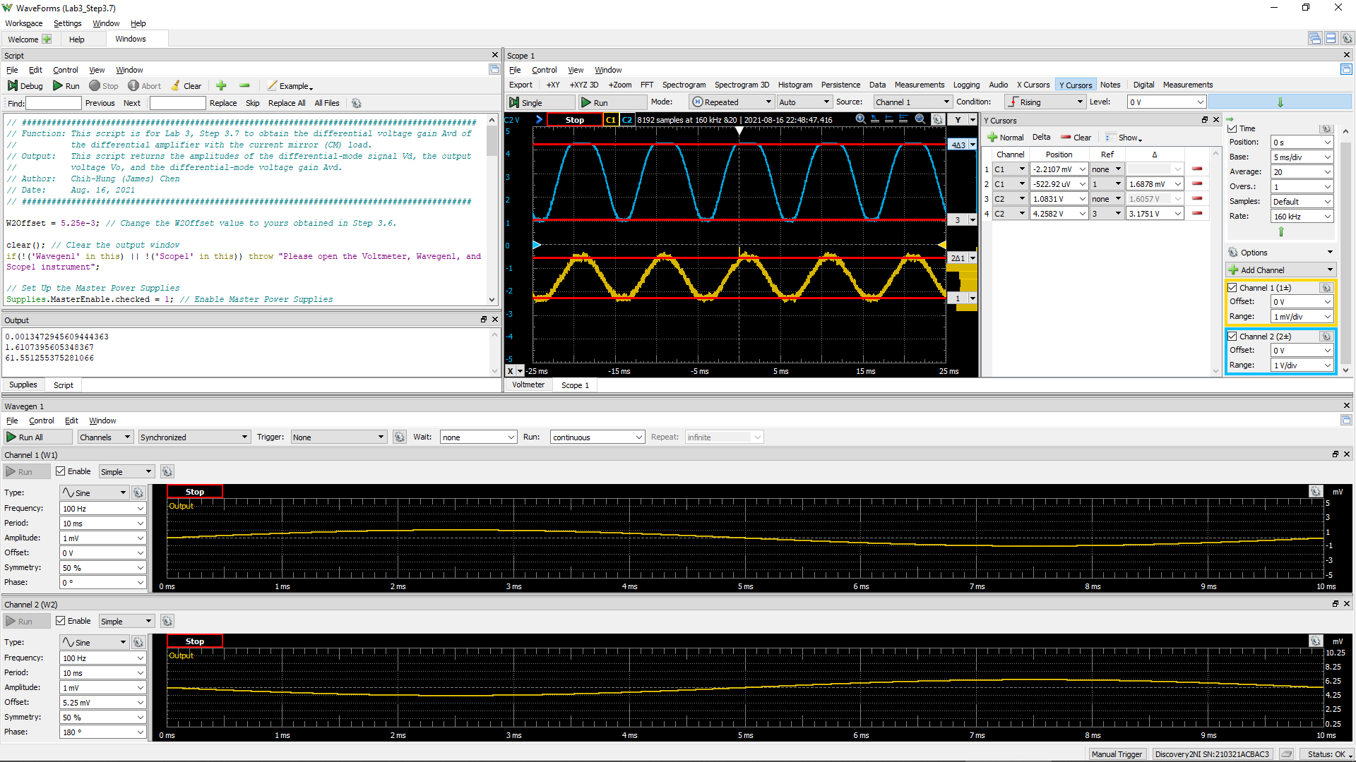
DC1 (V) = Vsig(Peak2Peak) | DC2 (V) = Vo(Peak2Peak) | Differential Voltage Gain Av of a 2-Stage Differential Amplifier(dB)
3.0105E-03 | 1.2679 | 46.5

